B. Pharm
IVM's KBIPER Faculty Details
Sr. No. | Name of Faculty | Designation | Department | Photographs
1 | Dr. Sanjay R. Arote | Principal | Pharmacology
2 | Dr. Yogesh B. Zambare | Professor | Pharmaceutical Chemistry, HOD | 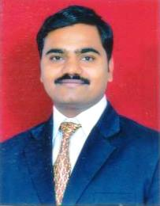
3 | Dr. Amol S. Rakte | Professor | Pharmaceutics, HOD | 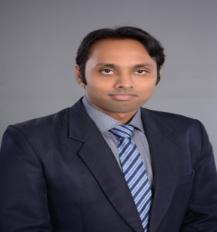
4 | Dr. Ganesh R. Phadtare | Assoc. Professor | Pharmacolog , HOD | 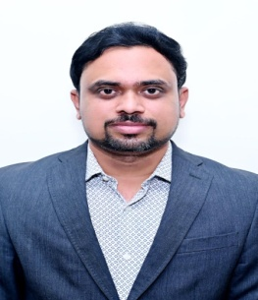
5 | Dr. Mayuri V. Gurav | Assistant Professor | Pharmacology | 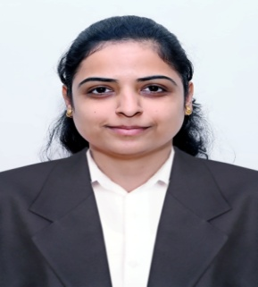
6 | Dr. Payal K. Thorat | Assoc. Professor | Pharmaceutics | 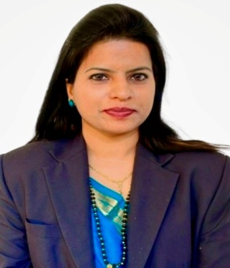
7 | Mr. Shyam S. Awate | Assoc. Professor | Pharmaceutics | 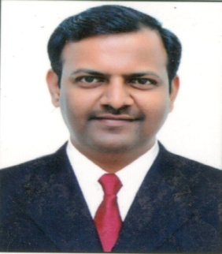
8 | Ms. Mugdha A. Joshi | Assoc. Professor | Pharmacognosy, HOD | 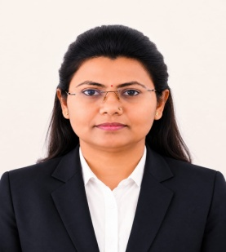
9 | Ms. Kadambari S. Ghatpande | Assistant Professor | Pharmaceutical Chemistry | 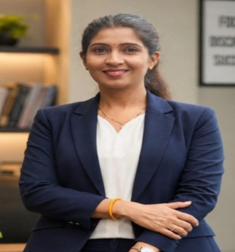
10 | Ms. Priyanka A. Panmand | Assistant Professor | Pharmaceutics | 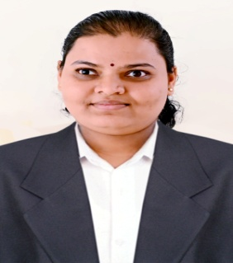
11 | Ms. Mrinali A. Kale | Assistant Professor | Pharmacognosy | 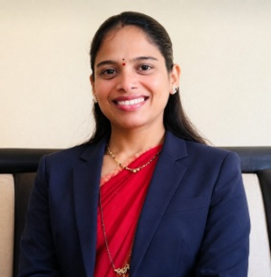
12 | Ms. Shraddha S. Satkar | Assistant Professor | Pharmaceutical Chemistry | 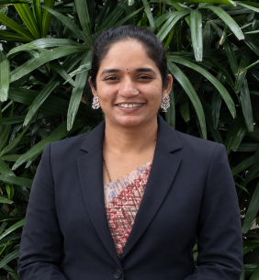
13 | Ms. Vikranti W. Koli | Assistant Professor | Pharmaceutics | 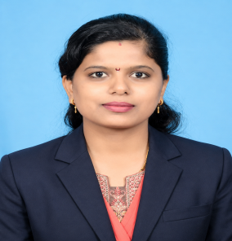
14 | Ms. Sharda S. Kulkarni | Assistant Professor | Pharmaceutics | 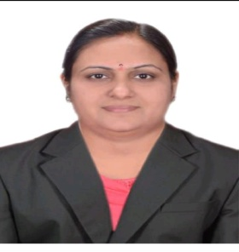
15 | Ms. Godavari K. Brahma | Assistant Professor | Pharmaceutics | 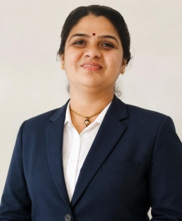
16 | Ms. Ashwini Joshi | Assistant Professor | Pharmaceutical Chemistry | 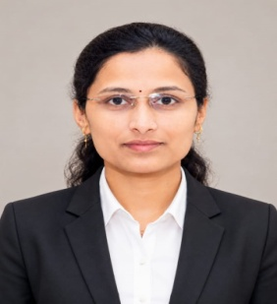
17 | Mr. Mahesh B. Gawade | Assistant Professor | 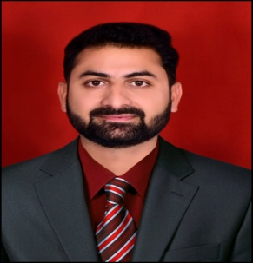 Pharmaceutical Chemistry
18 | Ms. Reshma B. Nehere | Assistant Professor | Pharmacology | 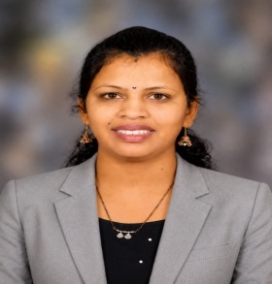
19 | Ms. Pooja N. Sawant | Assistant Professor | Pharmacology | 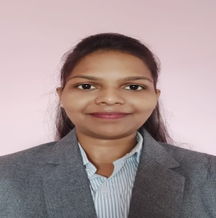
20 | Ms. Nilam S. Patangare | Assistant Professor | Pharmaceutics | 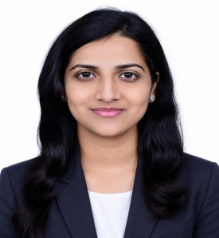
21 | Ms. Rasika R. Giri | Assistant Professor | Pharmaceutics | 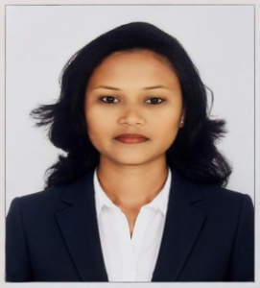
22 | Ms. Vilasini R. Pandav | Assistant Professor | Pharmacognosy | 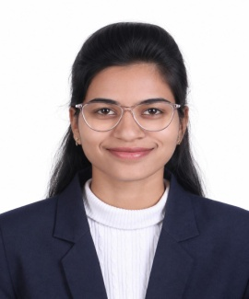
24 | Ms. Reshma P. Dhakate | Assistant Professor | Pharmaceutical Chemistry | 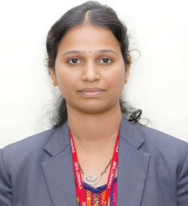
25 | Ms. Yogita C. Saraf | Assistant Professor | Pharmaceutics | 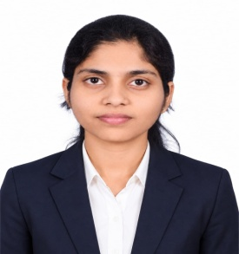
26 | Mr. Dadagouda M. Birajdar | Assistant Professor | Pharmaceutical Chemistry | 
27 | Ms. Sandhya V. Patil | Assistant Professor | Pharmacology | 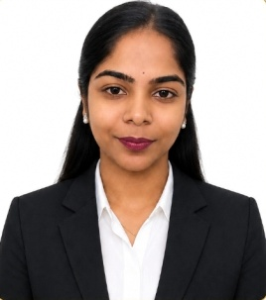

D. Pharm
Sr. no | Name | Designation | Department | Phtograph
1 | Dr. Gulab S. Shinde | HOD | D. Pharmacy | 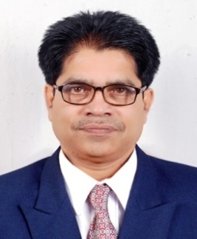
2 | Mr. Mayur K. Lohkare | Lecturer | D. Pharmacy | 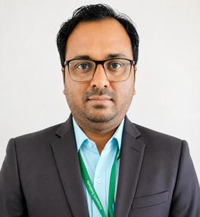
3 | Ms. Sohini A. Ganguly | Lecturer | D. Pharmacy | 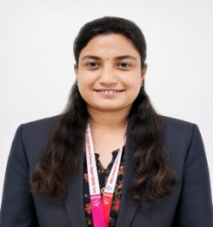
4 | Ms. Ankita Vilas Berde | Lecturer | D. Pharmacy | 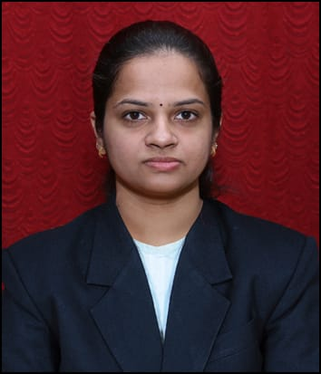
5 | Ms. Komal A. Thakar | Lecturer | D. Pharmacy | 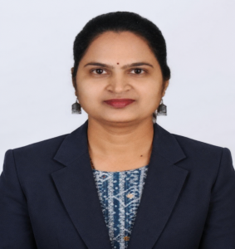
6 | Ms. Shweta M. Mantri | Lecturer | D. Pharmacy | 